Model
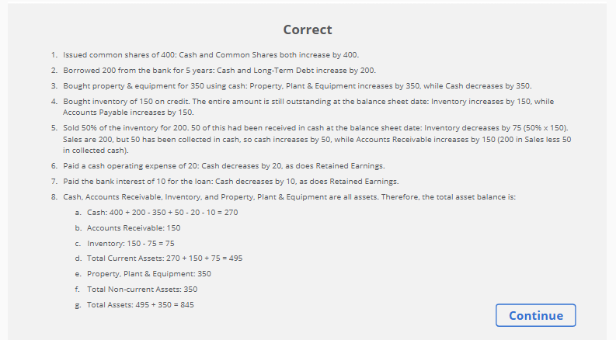

Construct a Balance Sheet for Lagos Trading Inc.

You have been asked to build a Balance Sheet for a company called Lagos Trading Inc. that has undertaken the following transactions

1. Issued common shares of 400.
2. Borrowed 200 from the bank for 5 years.
3. Bought property & equipment for 350 using cash.
4. Bought inventory of 150 on credit. The entire amount is still outstanding at the balance sheet date.
5. Sold 50% of the inventory for 200. 50 of this had been received in cash at the balance sheet date.
6. Paid a cash operating expense of 20.
7. Paid the bank interest of 10 for the loan.

Balance Sheet

ASSETS |  |  | TOTAL LIABILITIES AND SHAREHOLDERS' EQUITY

Current Assets |  |  | Current Liabilities
Cash |  |  | Accounts Payable
Accounts Receivable |  |  | Total Current Liabilties |  | 150
Inventory
Total Current Assets |  | 495 | Non-Current Liabilities
 |  |  | Long-Term Debt
Non-Current Assets |  |  | Total Non-Current Liabilities |  | 200
Property, Plant & Equipment
Total Non-Current Assets |  | 350 | Shareholders' Equity
 |  |  | Common Shares
 |  |  | Retained Earnings
 |  |  | Revenue
 |  |  | Cost of Sales
 |  |  | Other Operating Expenses
 |  |  | Interest Expense
 |  |  |  | Total Retained Earnings | –
 |  |  | Total Shareholders' Equity |  | 400

Total Assets |  | 845 | Total Liabilities & Equity |  | 750

 | Total Assets | 845
 | Total Liabilities & Equity | 750
 | Difference | 95

